Sheet1
SDNT1608X103F3450FTF_Sunlord(顺络)_SDNT1608X103F3450FTF中文资料_PDF手册_价格-立创商城

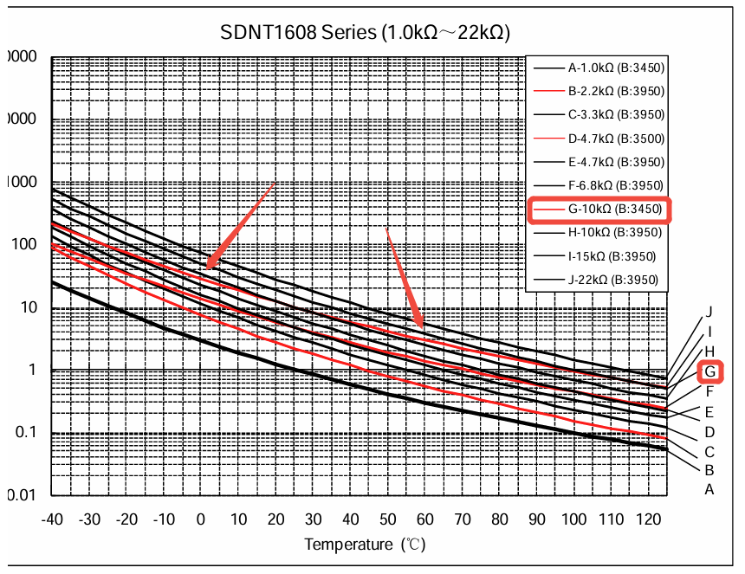
 |  |  |  |  | hi | low
VIN | Work | (K) | TH | TL | R1(K) | R2(K)
v | v |  |  |  | K | K
5 | 4 |  |  |  | 10 | 10
 | 2.25
 |  | 结果 | 60° | 0° | 2 | 10

 |  | 25° | 60° | 0°
 |  | 10 | 2 | 35

k2 | 0.8
k1 | 0.45
 |  | 1.75v |  |  | 2.0622895623 | 10.792951542

